Sheet1
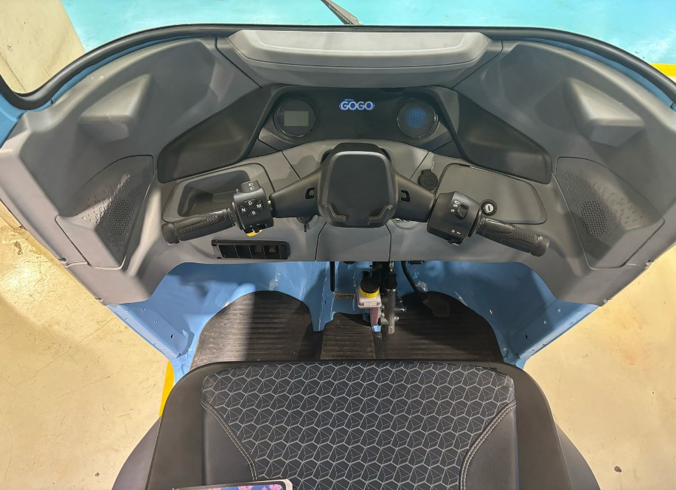
D1
D2
D4
D6
D7
Solution planned
Driver Cabin :
For D1, D2, D3, D7, Modified Scudo + Ingress-egress improvement plan through Wider Scudo in existing EV models.
SOP planned in Sep-25 (RE & Maxima Z EV).
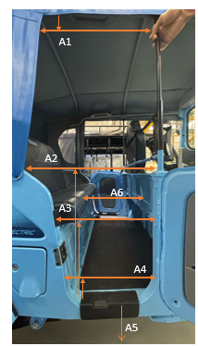
Solution planned
Passenger Cabin :
For A4, A6, sufficient space available in Z EV.
RE EV : No plan

